Citation
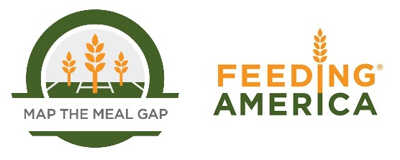

When using this data, please cite as follows: Gundersen, C., Waxman, E., Engelhard, E., Brown, J. Map the Meal Gap 2011: Food Insecurity Estimates at the County Level. Feeding America, 2011.

